Munkalap1
 |  |  |  | Y = (X0*W0) + (X1*W1) + (X2*W2) + (X3*W3) + (X4*W4) + (X5*W5)+B

 |  |  |  | 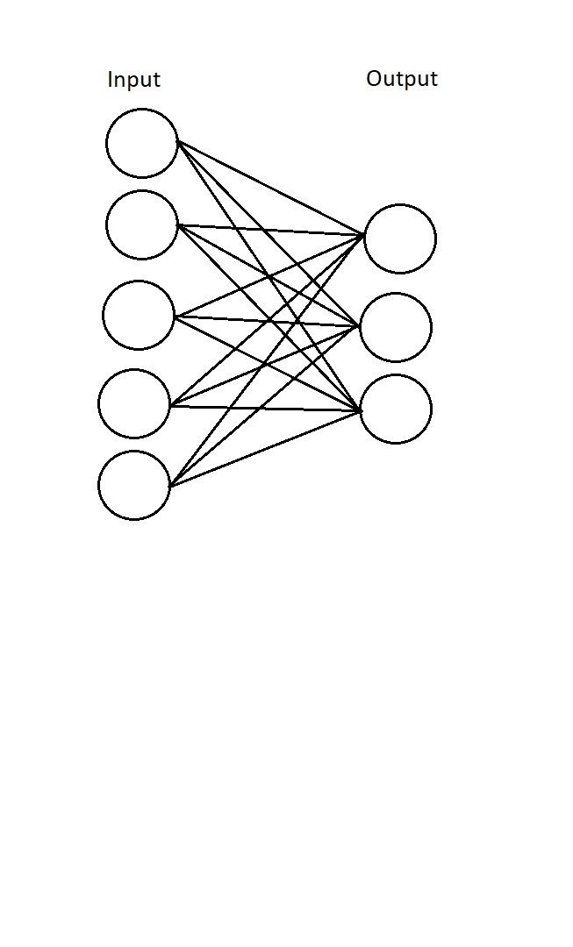

Inputs: |  | Weights: |  |  |  | Bias |  | Output
1 | 0.49671415 | -0.1382643 | 0.64768854 |  | 0.61185289 | 0.13949386 | 0.29214465
2 | 1.52302986 | -0.23415337 | -0.23413696
3 | 1.57921282 | 0.76743473 | -0.46947439
4 | 0.54256004 | -0.46341769 | -0.46572975
5 | 0.24196227 | -1.91328024 | -1.72491783

